Bloom Empirical
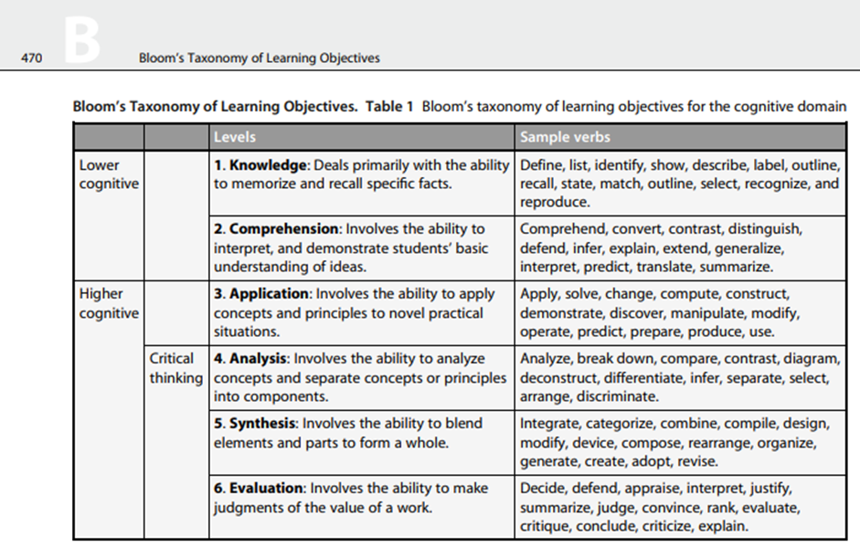
Remembering | Understanding | Applying | Analysing | Evaluating | Creating
define | comprehend | apply | analyse | adopt | appraise
describe | contrast | change | arrange | categorise | conclude
identify | convert | compute | break down | combine | convince
label | defend | construct | compare | compile | critique
list | distinguish | demonstrate | contrast | compose | critizise
match | explain | discover | deconstruct | create | decide
outline | extend | manipulate | diagram | design | defend
outline | generalise | modify | differentiate | devise | evaluate
recall | infer | operate | discriminate | generate | explain
recognise | interpret | predict | infer | integrate | interpret
reproduce | predict | prepare | select | modify | judge
select | summarise | produce | separate | organise | justify
show | translate | solve |  | reaarange | rank
state |  | use |  | revise | summarise

 |  |  |  |  |  | Source: Classification of Action Verbs of Bloom’s Taxonomy Cognitive Domain An Empirical Study

Bloom Encyclopedia
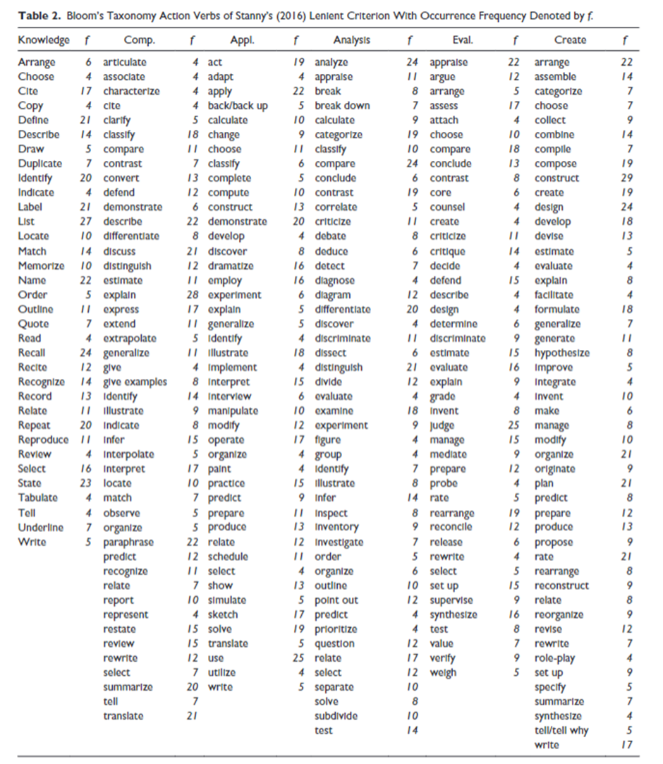
Remembering | Understanding | Applying | Analysing | Evaluating | Creating
Arrange | articulate | act | analyse | adopt | appraise
Choose | assosciate | adapt | arrange | categorise | conclude
cite | characterise | applying | break down | combine | convince
copy | cite | back | compare | compile | critique
define | clarify | back up | contrast | compose | critizise
describe | classify | calculate | deconstruct | create | decide
draw | compare | change | diagram | design | defend
duplicate | contrast | choose | differentiate | devise | evaluate
identify | convert | classify | discriminate | generate | explain
indicate | defend | complete | infer | integrate | interpret
label | demonstrate | compute | select | modify | judge
list | describe | co | separate | organise | justify
locate | differentiate | solve |  | reaarange | rank
match | discuss | use |  | revise | summarise
memorise | distinguish
name | estimate
order | explain
outline | express
quote | extend
read | extrapolate |  |  |  |  | Source?: N. Seel (ed.), Encyclopedia of the Sciences of Learning, DOI 10.1007/978-1-4419-1428-6, # Springer Science+Business Media, LLC 2012
recall | generalise
recite | give
recognise | give examples
record | identify
relate | illustrate
repeat | indicate
reproduce | infer
review | interpolate
select | interpret
state | locate
tabulate | match
tell | observe
underline | organise
write | paraphrase
 | predict
 | recognise
 | relate
 | report
 | represent
 | restate
 | review
 | rewrite
 | select
 | summarise
 | tell
 | translate

Bloom Anderson
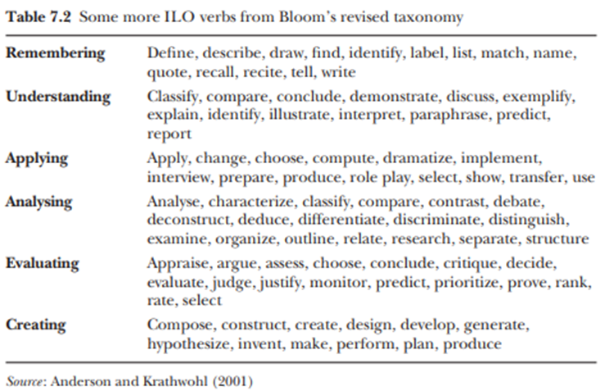
Remembering | Understanding | Applying | Analysing | Evaluating | Creating
Define | classify | Apply | analyse | appraise | compose
Describe | compare | Change | characterise | argue | construct
Draw | Conclude | choose | classify | assess | create
Find | Demonstrate | compute | compare | choose | design
Identify | Discuss | dramatise | constrast | conclude | develop
Label | Exemplify | implement | debate | critique | generate
List | Explain | interview | deconstruct | decide | hypothesise
Match | Identify | prepare | deduce | evaluate | invent
Name | Illustrate | produce | differentiate | judge | make
Quote | Interpret | role play | discriminate | justify | perform
Recall | paraphrase | select | distinguish | monitor | plan
Recite | Predict | show | examine | predict | produce
Tell | Report | transfer | organise | prioritise
Write |  | use | outline | prove
 |  |  | relate | rank
 |  |  | research | rate
 |  |  | separate | select
 |  |  | structure

 |  |  |  |  |  | https://cetl.ppu.edu/sites/default/files/publications/-John_Biggs_and_Catherine_Tang-_Teaching_for_Quali-BookFiorg-.pdf

SOLO
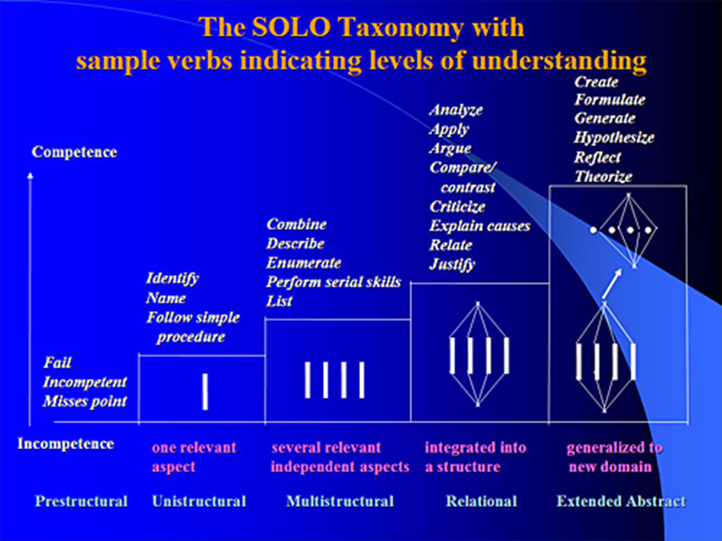
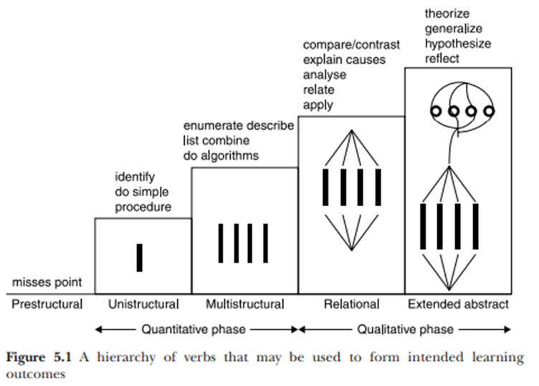
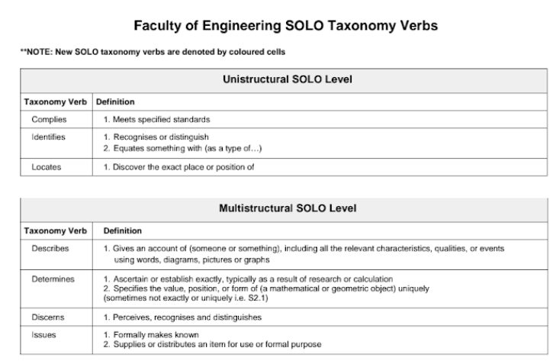
SOLO Taxonomy Verbs

Three separate sources were identified which contained verbs for each of the different levels of the taxonomy. The first step was to collate all of the verbs from these sources into Table 4. From the sources used, none of the verbs appear as duplicates thus none of the additional steps used for Bloom's Taxonomy were applied.

 |  |  |  |  |  |  |  |  |  |  |  |  |  | More in google drive | https://drive.google.com/file/d/1p151Pc6B272rZ49uYjET0-e9itNzFI8u/view?usp=share_link

 |  |  |  |  | https://www.johnbiggs.com.au/academic/solo-taxonomy/ |  |  |  |  | https://cetl.ppu.edu/sites/default/files/publications/-John_Biggs_and_Catherine_Tang-_Teaching_for_Quali-BookFiorg-.pdf
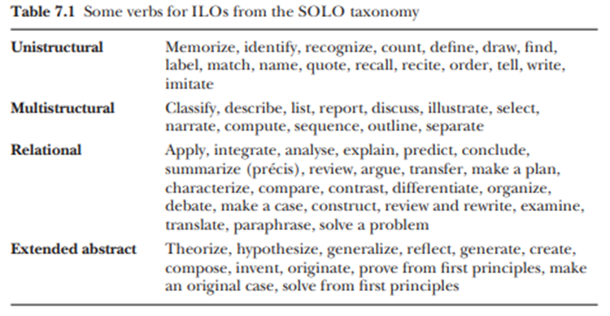

 |  |  |  |  |  |  |  |  |  | https://cetl.ppu.edu/sites/default/files/publications/-John_Biggs_and_Catherine_Tang-_Teaching_for_Quali-BookFiorg-.pdf

Table 4: SOLO Taxonomy Verbs |  |  |  |  |  | Address | 1 | Determine | 1 | Make a case | 1 | Reduce | 1
Prestuctural | Unistructural | Multistructural | Relational | Extended Abstract |  | Analyse | 1 | Differentiate | 1 | Make a plan | 1 | Reflect | 1
Fail | Comply | Classify | Address | Appraise |  | Apply | 1 | Discern | 1 | Make an original case | 1 | Relate | 1
Incompetent | Count | Combine | Analyse | Assess |  | Appraise | 1 | Discuss | 2 | Manage | 1 | Report | 1
Misses Point | Define | Compute | Apply | Compose |  | Appreciate | 1 | Draw | 1 | Match | 1 | Research | 1
 | Draw | Define | Appreciate | Create |  | Argue | 1 | Draw on | 1 | Memorise | 1 | Respond to | 1
 | Find | Describe | Argue | Deliberate |  | Assess | 1 | Engage | 1 | Mitigate | 1 | Review | 2
 | Follow simple procedure | Determine | Calculate | Demonstrate |  | Calculate | 1 | Enumerate | 1 | Name | 1 | Review and Rewrite | 1
 | Identify | Discern | Characterise | Design |  | Characterise | 1 | Evaluate | 1 | Narrate | 1 | Satisfy | 1
 | Imitate | Discuss | Compare | Draw on |  | Classify | 1 | Examine | 1 | Negotiate | 1 | Select | 1
 | Label | Enumerate | Compute | Engage |  | Combine | 1 | Execute | 1 | Order | 1 | Separate | 1
 | Locate | Illustrate | Conclude | Evaluate |  | Compare | 1 | Explain | 1 | Organise | 1 | Sequence | 1
 | Match | Issue | Conduct | Formulate |  | Comply | 1 | Find | 1 | Originate | 1 | Simulate | 1
 | Memorise | List | Construct | Generalise |  | Compose | 1 | Follow simple procedure | 1 | Outline | 1 | Solve a problem | 1
 | Name | Narrate | Contrast | Generate |  | Compute | 2 | Formulate | 2 | Paraphrase | 1 | Solve from first principles | 1
 | Order | Outline | Criticise | Hypothesise |  | Conclude | 1 | Function | 1 | Partition | 1 | Solve from first principles | 1
 | Quote | Perform serial skills | Debate | Integrate |  | Conduct | 1 | Generalise | 1 | Perform serial skills | 1 | Summarise | 1
 | Recall | Propose | Decide | Invent |  | Construct | 1 | Generate | 1 | Plan | 1 | Synthesise | 1
 | Recite | Record | Derive | Justify |  | Contrast | 1 | Hypothesise | 1 | Predict | 1 | Tell | 1
 | Recognise | Report | Differentiate | Make an original case |  | Count | 1 | Identify | 1 | Prioritise | 1 | Theorise | 1
 | Tell | Select | Discuss | Mitigate |  | Create | 1 | Illustrate | 1 | Propose | 1 | Track | 1
 | Write | Separate | Examine | Negotiate |  | Criticise | 1 | Imitate | 1 | Prove | 1 | Transfer | 1
 |  | Sequence | Execute | Originate |  | Debate | 1 | Integrate | 2 | Prove from first principles | 1 | Translate | 1
 |  |  | Explain | Plan |  | Decide | 1 | Interpret | 1 | Quantify | 1 | Use | 1
 |  |  | Formulate | Prioritise |  | Define | 2 | Invent | 1 | Quote | 1 | Value | 1
 |  |  | Function | Prove from first principles |  | Deliberate | 1 | Issue | 1 | Recall | 1 | Verify | 1
 |  |  | Integrate | Reflect |  | Demonstrate | 1 | Justify | 2 | Recite | 1 | Write | 1
 |  |  | Interpret | Research |  | Derive | 1 | Label | 1 | Recognise | 1
 |  |  | Justify | Respond to |  | Describe | 1 | List | 1 | Recombine | 1
 |  |  | Make a case | Review |  | Design | 1 | Locate | 1 | Record | 1
 |  |  | Make a plan | Simulate
 |  |  | Manage | Solve from first principles
 |  |  | Organise | Synthesise
 |  |  | Paraphrase | Theorise
 |  |  | Partition | Value
 |  |  | Predict
 |  |  | Prove
 |  |  | Quantify
 |  |  | Recombine
 |  |  | Reduce
 |  |  | Relate
 |  |  | Review
 |  |  | Review and Rewrite
 |  |  | Satisfy
 |  |  | Solve a problem
 |  |  | Solve from first principles
 |  |  | Summarise
 |  |  | Track
 |  |  | Transfer
 |  |  | Translate
 |  |  | Use
 |  |  | Verify

